Sheet1
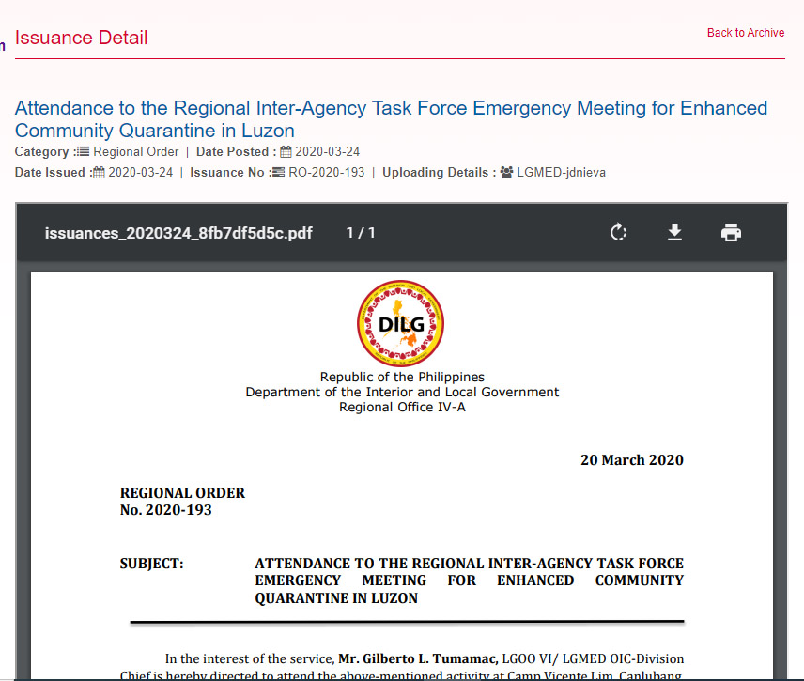
1 Issuances

Issuance
show Edit and Delete if applicable; only to uploader's office.

Issuances

Sheet2
2. Add Issuances
Add
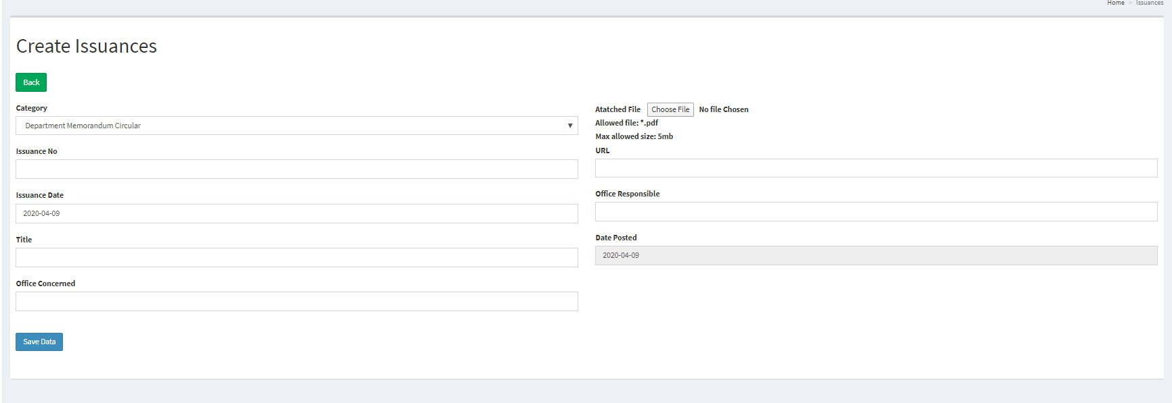
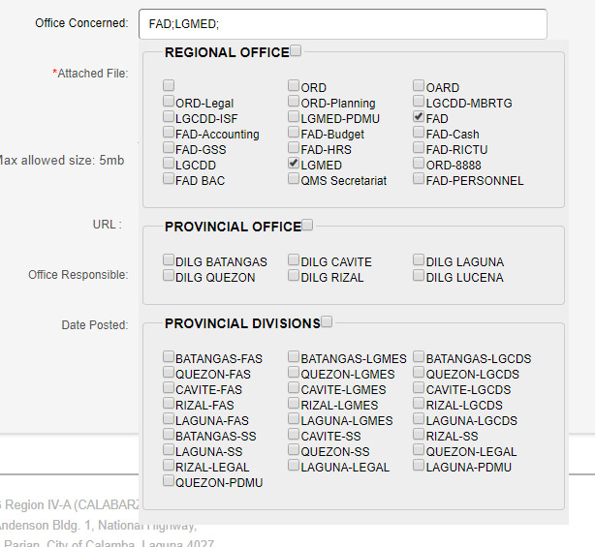

*
Allowed file: *.pdf Max allowed size: 5mb
Show notification
*
Posted By
*
Gray, disabled. Will display username
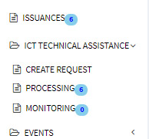
*
Title/Subject
Posted Date

Concerned Office
There should be tagging of offices that needs the issuances, then there would be notification on the office.

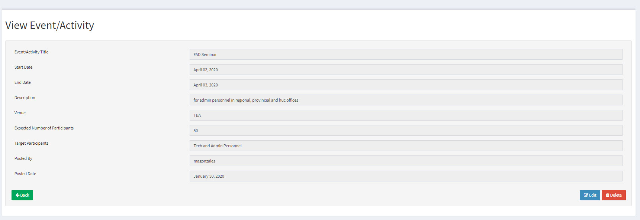

 | BUT USE THIS STYLE

Vertical and aligned

